Sohaila Ashraf
Test-ID | Title | Description | Pre-condition | Steps | Test data | Desiyned by | Priority | Expected Result | Actual reuslt | Status
TC-amazon-registration-001 | Testing amazon registration page fields | Validate that user can register using a valid data | 1- Chrome browser should be available 2- Amazon website shold be accessable 3- Internet is available | 1- Open 'link' 2- Enter 'name' in your name field 3- Choose +20 in mobile list 4- Enter 'Mobile number' in Mobile number field 5- Enter 'Password' in Password field 6- Enter 'Password' again in Re-enter password field 7- Click on the Verify Mobile Number button | link -> ' amazon link ' name -> Sohaila Ashraf Mobile number -> 1148367591 Password -> Ar@-&@@ | Sohaila Ashraf | High | User register successfully and go to amazon home page | User register successfully and go to amazon home page | Pass
TC-amazon-registration-002 | Testing your name field for amazon registration page | Validate that user can't register using a invalid name (there is no space between first and last name) | 1- Chrome browser should be available 2- Amazon website shold be accessable 3- Internet is available | 1- Open 'link' 2- Enter 'name' in your name field 3- Choose +20 in mobile list 4- Enter 'Mobile number' in Mobile number field 5- Enter 'Password' in Password field 6- Enter 'Password' again in Re-enter password field 7- Click on the Verify Mobile Number button | link -> 'amazon link' name -> Sohailaashraf Mobile number -> 1148367591 Password -> Ar@-&@@ | Sohaila Ashraf | High | Error Messega should be appeared "Please eneter a valid name" | User register successfully and go to amazon home page | Failed
TC-amazon-registration-003 | Testing your name field for amazon registration page | Validate that user can't register using a invalid name (more than 100 charcheter) | 1- Chrome browser should be available 2- Amazon website shold be accessable 3- Internet is available | 1- Open 'link' 2- Enter 'name' in your name field 3- Choose +20 in mobile list 4- Enter 'Mobile number' in Mobile number field 5- Enter 'Password' in Password field 6- Enter 'Password' again in Re-enter password field 7- Click on the Verify Mobile Number button | link -> 'amazon link' name -> ddddkljksaldjlaksjdlkjasdjalskjlajljlkasjdljdlajldkjaljdlajldja lsjlajlajlasjlasjlkasjlkadjlkjlkasjljldksjldsjlksjlskjlsjlksjljjsjlajl Mobile number -> 1148367591 Password -> Ar@-&@@ | Sohaila Ashraf | High | Error Messega should be appeared "Maximum name size is 100 charcheter" | User can't enter name more than 50 charcheter | Failed
TC-amazon-registration-004 | Testing your name field for amazon registration page | Validate that user can't register using a invalid name (have numbers) | 1- Chrome browser should be available 2- Amazon website shold be accessable 3- Internet is available | 1- Open 'link' 2- Enter 'name' in your name field 3- Choose +20 in mobile list 4- Enter 'Mobile number' in Mobile number field 5- Enter 'Password' in Password field 6- Enter 'Password' again in Re-enter password field 7- Click on the Verify Mobile Number button | link -> 'amazon link' name -> Sohaila 123 Mobile number -> 1148367591 Password -> Ar@-&@@ | Sohaila Ashraf | High | Error Messega should be appeared "Name should be characters only" | User register successfully and go to amazon home page | Failed
TC-amazon-registration-005 | Testing your name field for amazon registration page | Validate that user can't register using a invalid name (have specical characters) | 1- Chrome browser should be available 2- Amazon website shold be accessable 3- Internet is available | 1- Open 'link' 2- Enter 'name' in your name field 3- Choose +20 in mobile list 4- Enter 'Mobile number' in Mobile number field 5- Enter 'Password' in Password field 6- Enter 'Password' again in Re-enter password field 7- Click on the Verify Mobile Number button | link -> 'amazon link' name -> Sohaila @Ashraf Mobile number -> 1148367591 Password -> Ar@-&@@ | Sohaila Ashraf | High | Error Messega should be appeared "Name should be characters only" | User register successfully and go to amazon home page | Failed
TC-amazon-registration-006 | Testing Mobile number field for amazon registration page | Validate that user can't register using a invalid Mobile number (start with any number excapt 1) | 1- Chrome browser should be available 2- Amazon website shold be accessable 3- Internet is available | 1- Open 'link' 2- Enter 'name' in your name field 3- Choose +20 in mobile list 4- Enter 'Mobile number' in Mobile number field 5- Enter 'Password' in Password field 6- Enter 'Password' again in Re-enter password field 7- Click on the Verify Mobile Number button | link -> 'amazon link' name -> Sohaila Ashraf Mobile number -> 0848367591 Password -> Ar@-&@@ | Sohaila Ashraf | High | Error Messega should be appeared "Mobile number should start with 1 digit" | Error Message | Pass
TC-amazon-registration-007 | Testing Mobile number field for amazon registration page | Validate that user can't register using a invalid Mobile number (max 10 digits) | 1- Chrome browser should be available 2- Amazon website shold be accessable 3- Internet is available | 1- Open 'link' 2- Enter 'name' in your name field 3- Choose +20 in mobile list 4- Enter 'Mobile number' in Mobile number field 5- Enter 'Password' in Password field 6- Enter 'Password' again in Re-enter password field 7- Click on the Verify Mobile Number button | link -> 'amazon link' name -> Sohaila Ashraf Mobile number -> 147852963845 Password -> Ar@-&@@ | Sohaila Ashraf | High | Error Messega should be appeared "Mobile number should be maximum 10 digits" | Error Message | Pass
TC-amazon-registration-008 | Testing Password field for amazon registration page | Validate that user can't register using a invalid Password (all password is small letters) | 1- Chrome browser should be available 2- Amazon website shold be accessable 3- Internet is available | 1- Open 'link' 2- Enter 'name' in your name field 3- Choose +20 in mobile list 4- Enter 'Mobile number' in Mobile number field 5- Enter 'Password' in Password field 6- Enter 'Password' again in Re-enter password field 7- Click on the Verify Mobile Number button | link -> 'amazon link' name -> Sohaila Ashraf Mobile number -> 147852963845 Password -> sohailaashrah | Sohaila Ashraf | High | Error Messega should be appeared "Password should contain one Captial letter, Small letters and specical characters" | User register successfully and go to amazon home page | Failed
TC-amazon-registration-009 | Testing Password field for amazon registration page | Validate that user can't register using a invalid Password (all password is Captial letters) | 1- Chrome browser should be available 2- Amazon website shold be accessable 3- Internet is available | 1- Open 'link' 2- Enter 'name' in your name field 3- Choose +20 in mobile list 4- Enter 'Mobile number' in Mobile number field 5- Enter 'Password' in Password field 6- Enter 'Password' again in Re-enter password field 7- Click on the Verify Mobile Number button | link -> 'amazon link' name -> Sohaila Ashraf Mobile number -> 147852963845 Password -> ASDFGHYTRHJIK | Sohaila Ashraf | High | Error Messega should be appeared "Password should contain one Captial letter, Small letters and specical characters" | User register successfully and go to amazon home page | Failed
TC-amazon-registration-010 | Testing Password field for amazon registration page | Validate that user can't register using a invalid Password (No specical characters) | 1- Chrome browser should be available 2- Amazon website shold be accessable 3- Internet is available | 1- Open 'link' 2- Enter 'name' in your name field 3- Choose +20 in mobile list 4- Enter 'Mobile number' in Mobile number field 5- Enter 'Password' in Password field 6- Enter 'Password' again in Re-enter password field 7- Click on the Verify Mobile Number button | link -> 'amazon link' name -> Sohaila Ashraf Mobile number -> 147852963845 Password -> Sohailaashraf | Sohaila Ashraf | High | Error Messega should be appeared "Password should contain one Captial letter, Small letters and specical characters" | User register successfully and go to amazon home page | Failed
TC-amazon-registration-011 | Testing Password field for amazon registration page | Validate that user can't register using a invalid Password (at least 6 characters) | 1- Chrome browser should be available 2- Amazon website shold be accessable 3- Internet is available | 1- Open 'link' 2- Enter 'name' in your name field 3- Choose +20 in mobile list 4- Enter 'Mobile number' in Mobile number field 5- Enter 'Password' in Password field 6- Enter 'Password' again in Re-enter password field 7- Click on the Verify Mobile Number button | link -> 'amazon link' name -> Sohaila Ashraf Mobile number -> 147852963845 Password -> So | Sohaila Ashraf | High | Error Messega should be appeared "Password should contain one Captial letter, Small letters and specical characters" | Error Message | Pass

 |  |  |  |  |  |  | Minor | Critical | Minor | High | Medium | Low
Bug-ID | Description | Related TC | Pre-condition | Steps | Test data | Assigned to | Created by | Severity | Periority | Expected Result | Actual reuslt | Attachments | Status
Bug-amazon-registration-01 | User can register by enter name with no space between first and last name But User name should have space between first and last name | TC-amazon-registration-002 | 1- Chrome browser should be available 2- Amazon website shold be accessable 3- Internet is available | 1- Open 'link' 2- Enter 'name' in your name field 3- Choose +20 in mobile list 4- Enter 'Mobile number' in Mobile number field 5- Enter 'Password' in Password field 6- Enter 'Password' again in Re-enter password field 7- Click on the Verify Mobile Number button | link -> 'amazon link' name -> Sohailaashraf Mobile number -> 1148367591 Password -> Ar@-&@@ | Dev. | Sohaila Ashraf | Minor | High | Error Messega should be appeared "Please eneter a valid name" | User register successfully and go to amazon home page | 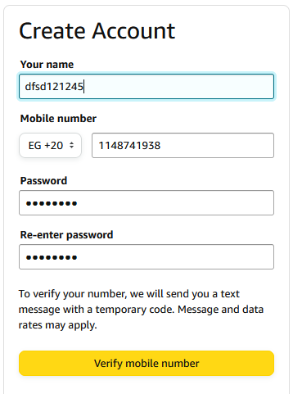 | Open
Bug-amazon-registration-02 | Min. number user can enter to name field is 50 But min number should be 100 | TC-amazon-registration-003 | 1- Chrome browser should be available 2- Amazon website shold be accessable 3- Internet is available | 1- Open 'link' 2- Enter 'name' in your name field 3- Choose +20 in mobile list 4- Enter 'Mobile number' in Mobile number field 5- Enter 'Password' in Password field 6- Enter 'Password' again in Re-enter password field 7- Click on the Verify Mobile Number button | link -> 'amazon link' name -> ddddkljksaldjlaksjdlkjasdjalskjlajljlkasjdljdlajldkjaljdlajldja lsjlajlajlasjlasjlkasjlkadjlkjlkasjljldksjldsjlksjlskjlsjlksjljjsjlajl Mobile number -> 1148367591 Password -> Ar@-&@@ | Dev. | Sohaila Ashraf | Minor | High | Error Messega should be appeared "Maximum name size is 100 charcheter" | User can't enter name more than 50 charcheter | 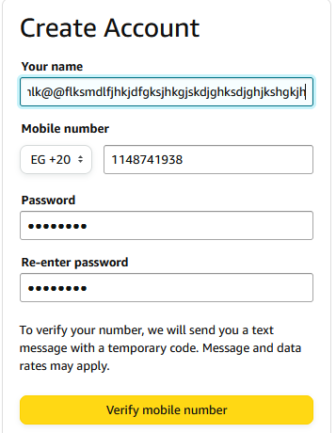 | Open
Bug-amazon-registration-03 | User can't register using name contains numbers But it accept numbers | TC-amazon-registration-004 | 1- Chrome browser should be available 2- Amazon website shold be accessable 3- Internet is available | 1- Open 'link' 2- Enter 'name' in your name field 3- Choose +20 in mobile list 4- Enter 'Mobile number' in Mobile number field 5- Enter 'Password' in Password field 6- Enter 'Password' again in Re-enter password field 7- Click on the Verify Mobile Number button | link -> 'amazon link' name -> Sohaila 123 Mobile number -> 1148367591 Password -> Ar@-&@@ | Dev. | Sohaila Ashraf | Minor | High | Error Messega should be appeared "Name should be characters only" | User register successfully and go to amazon home page | 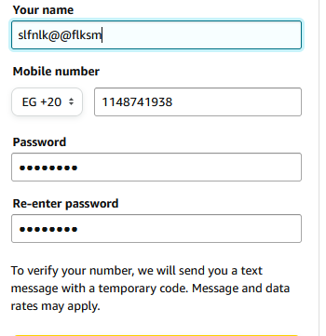 | Open
Bug-amazon-registration-04 | User can't register using name contains specical characters But it accept specical characters | TC-amazon-registration-005 | 1- Chrome browser should be available 2- Amazon website shold be accessable 3- Internet is available | 1- Open 'link' 2- Enter 'name' in your name field 3- Choose +20 in mobile list 4- Enter 'Mobile number' in Mobile number field 5- Enter 'Password' in Password field 6- Enter 'Password' again in Re-enter password field 7- Click on the Verify Mobile Number button | link -> 'amazon link' name -> Sohaila @Ashraf Mobile number -> 1148367591 Password -> Ar@-&@@ | Dev. | Sohaila Ashraf | Minor | High | Error Messega should be appeared "Name should be characters only" | User register successfully and go to amazon home page |  | Open
Bug-amazon-registration-05 | User can't register using all his Password in small letters But it accept Password in small letters Only | TC-amazon-registration-008 | 1- Chrome browser should be available 2- Amazon website shold be accessable 3- Internet is available | 1- Open 'link' 2- Enter 'name' in your name field 3- Choose +20 in mobile list 4- Enter 'Mobile number' in Mobile number field 5- Enter 'Password' in Password field 6- Enter 'Password' again in Re-enter password field 7- Click on the Verify Mobile Number button | link -> 'amazon link' name -> Sohaila Ashraf Mobile number -> 147852963845 Password -> sohailaashrah | Dev. | Sohaila Ashraf | Minor | High | Error Messega should be appeared "Password should contain one Captial letter, Small letters and specical characters" | User register successfully and go to amazon home page |  | Open
Bug-amazon-registration-06 | User can't register using all his Password in Captial letters But it accept Password in Captial letters Only | TC-amazon-registration-009 | 1- Chrome browser should be available 2- Amazon website shold be accessable 3- Internet is available | 1- Open 'link' 2- Enter 'name' in your name field 3- Choose +20 in mobile list 4- Enter 'Mobile number' in Mobile number field 5- Enter 'Password' in Password field 6- Enter 'Password' again in Re-enter password field 7- Click on the Verify Mobile Number button | link -> 'amazon link' name -> Sohaila Ashraf Mobile number -> 147852963845 Password -> ASDFGHYTRHJIK | Dev. | Sohaila Ashraf | Minor | High | Error Messega should be appeared "Password should contain one Captial letter, Small letters and specical characters" | User register successfully and go to amazon home page |  | Open
Bug-amazon-registration-07 | User can't register with Password doesn't have specical characters But it accept Password doesn't contain specical characters | TC-amazon-registration-010 | 1- Chrome browser should be available 2- Amazon website shold be accessable 3- Internet is available | 1- Open 'link' 2- Enter 'name' in your name field 3- Choose +20 in mobile list 4- Enter 'Mobile number' in Mobile number field 5- Enter 'Password' in Password field 6- Enter 'Password' again in Re-enter password field 7- Click on the Verify Mobile Number button | link -> 'amazon link' name -> Sohaila Ashraf Mobile number -> 147852963845 Password -> Sohailaashraf | Dev. | Sohaila Ashraf | Minor | High | Error Messega should be appeared "Password should contain one Captial letter, Small letters and specical characters" | User register successfully and go to amazon home page |  | Open

david nabil
ID | Title | Description | Pre-Condition | Steps | test data | Designed by | Priority | Expected Result | Actual Result | Status
TC_AMZ_REG_NAME_001 | validate the name field | enter first name and last name using only charcters | 1- access to amazon registeration page | 1- enter the name in ch only with spaces | david nabil | david | high | correct name field | correct name | pass
TC_AMZ_REG_NAME_002 | validate the name field | enter first name and last name using only charcters and numbers | 1- access to amazon registeration page | 1- enter the name in ch & numbers with spaces | david nabil55 | david | high | wrong name field | correct name | fail
TC_AMZ_REG_NAME_003 | validate the name field | enter maximum charcters in the name field | 1- access to amazon registeration page | 1-enter maximum chacaters in the name field | "101 ch" | david | high | wrong name field | correct name | fail
TC_AMZ_REG_NAME_004 | validate the name field | enter space only without anay charcters | 1- access to amazon registeration page | 1-enter only space in the name field | "spaces" | david | high | wrong name field | error! "enter your name" | pass
TC_AMZ_REG_PHO_001 | validate the phone number | enter phone number starts with zero | 1- access to amazon registeration page | 1-enter 10 digits phone number starts with zero number | 01095514284' | david | high | a message "wrong number" sholud appear | correct phone number | fail
TC_AMZ_REG_PHO_002 | validate the phone number | enter phone number starts with one | 1- access to amazon registeration page | 1-enter 10 digits phone number starts with one number | 1095514284 | david | high | successful phone number | correct phone number | pass
TC_AMZ_REG_PHO_003 | validate the phone number | enter phone number with more or less than 10 numbers | 1- access to amazon registeration page | 1-enter more or less than 10 digits phone number starts with one number | 12345678910 or 123456 | david | high | a message "wrong number" sholud appear | error! "there was a problem" | pass
TC_AMZ_REG_PASS_001 | try valid password | enter 6 letters or more incluing valid characters and numbers and special ch | 1- access to amazon registeration page | 1-enter the password of 6 letters or more. 2- include 1 upper case letter 1 lower case 1 number 1 special character | Aa#2aa | david | high | successful password | accepted password | pass
TC_AMZ_REG_PASS_002 | try invalid password | enter 6 letters or more with no lower case letters or upper case letter or numbers or special ch | 1- access to amazon registeration page | 1-enter the password of 6 letters or more. 2- miss one of these 1 upper case letter 1 lower case 1 number 1 special character | aa#2aa AA#2AA !!aaa#A AAAAa2 | david | high | a message "missing character" sholud appear | accepted password | fail
TC_AMZ_REG_PASS_003 | try invalid password | enter less than 6 letters | 1- access to amazon registeration page | 1-enter the password of less than 6 | Aa#2a | david | high | a message "short password" should appear | error! "Minimum 6 characters required" | pass
TC_AMZ_REG_PASS_004 | try invalid password | enter wrong conformation password | 1- access to amazon registeration page | 1- enter confirmation password different from your valid password | aA#2aa | david | high | a message "unmatched password" should appear | error! "Passwords must match" | pass
TC_AMZ_REG_PASS_005 | try valid password | enter valid conformation password | 1- access to amazon registeration page | 1- enter confirmation password same as your valid password | Aa#2aa | david | high | successful password | accepted password | pass

ID | Description | Related TC | Pre-Condition | Steps | Designed by | Priority | severity | Expected Result | Actual Result | Status | Assigned to | type | Attachment
BUG_AMZ_REG_NAME_001 | name field was expected to accept characters only but accepted numbers too | TC_AMZ_REG_NAME_002 | 1- access to amazon registeration page | 1- enter the name in ch & numbers with spaces | david | high | minor | error ! "wrong name entered" | no error appeared and the entered name was accepted | open | development team
BUG_AMZ_REG_NAME_002 | name field accepted more than 1 hundred characters | TC_AMZ_REG_NAME_003 | 1- access to amazon registeration page | 1-enter maximum chacaters in the name field | david | high | minor | error ! "exceeded maximum number " | no error appeared and the entered name was accepted | open | development team
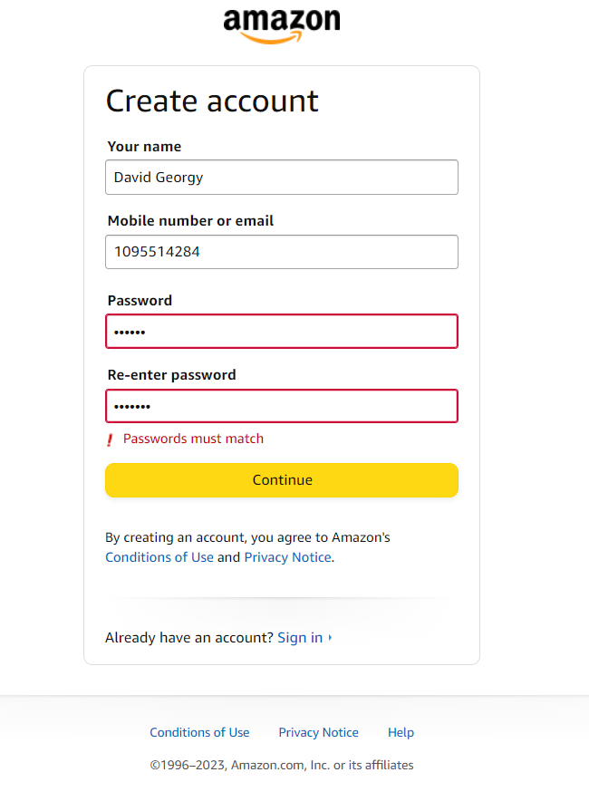
BUG_AMZ_REG_PHO_003 | phone number field accepted number starts with 0 | TC_AMZ_REG_PHO_001 | 1- access to amazon registeration page | 1-enter 10 digits phone number starts with zero number | david | high | minor | a message "wrong number" sholud appear | no error appeared and the entered phone name was accepted | open | development team
BUG_AMZ_REG_PASS_004 | password field accepted password without numbers or special characters or uppercase letters | TC_AMZ_REG_PASS_002 | 1- access to amazon registeration page | 1-enter the password of 6 letters or more. 2- miss one of these 1 upper case letter 1 lower case 1 number 1 special character | david | high | major | a message "missing character" sholud appear | no error appeared and the entered password was accepted | open | development team

